Summary Report
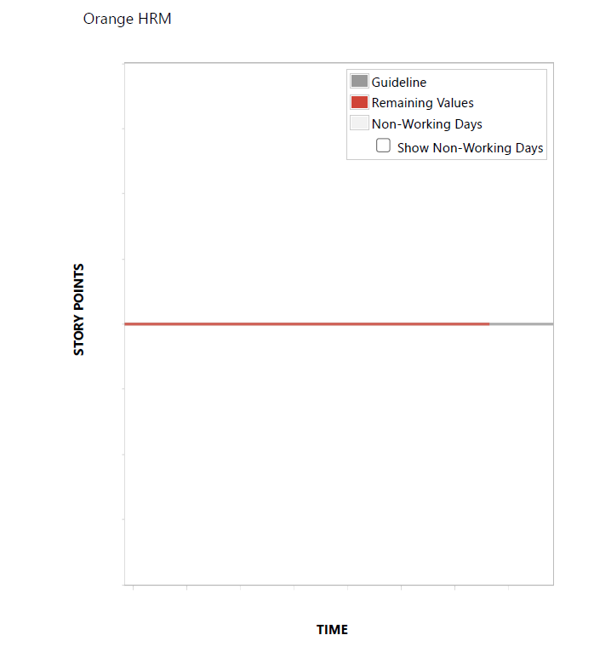
Sr. No. | Activities | Count | Passed | Failed | Duplicate | Remarks
1 | Created user Stories | 2
2 | Created TestCases | 8
3 | No of tests Excecuted in Sprint 1,Iteration 1 | 8 | 7 | 1
4 | Defects Reported | 1
5 | No of Sprints Executed | 1

 |  | BurnDown Chart

